Лист1
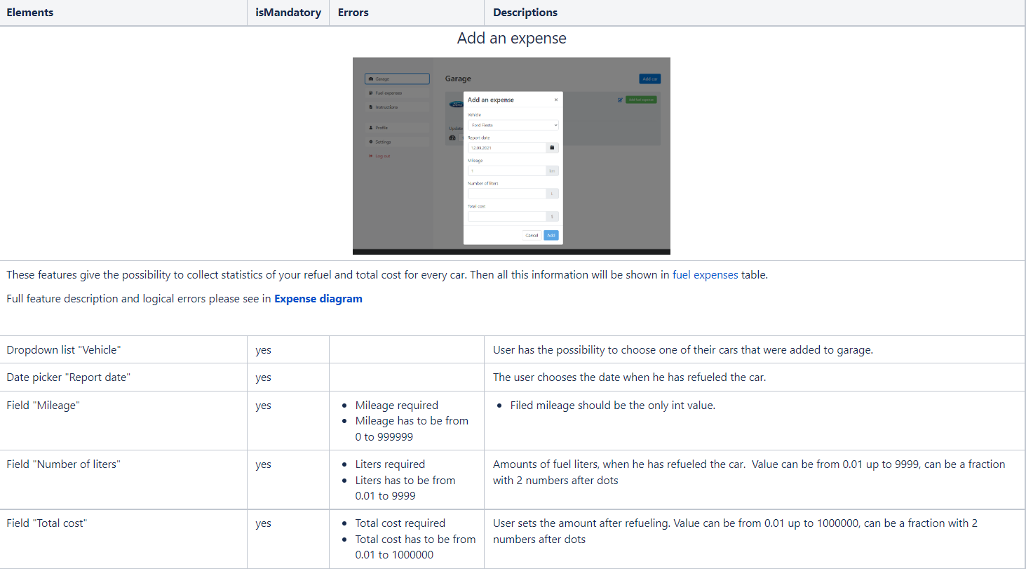
Get 4 conditions:

Date
Mileage
Number of liters
Total cost
N=4

X=Y1*Y2*Y3*Y4 |  | X=128

Y1=2
Y2=4
Y3=4
Y4=4

Condition |  | Value

Date less then tomorrow |  | Y,N
Mileage |  | From 0 to 999999, value < 0, not int value, value > 999999
Number of liters |  | From 0.01 to 9999, value < 0, not int value, value > 9999
Total cost |  | From 0.01 up to 1000000, value < 0.01, not int value, value > 1000000

Generated Pairwise
 | Date | Mileage | Number of liters | Total cost
1 | Y | From 0 to 999999 | From 0.01 to 9999 | From 0.01 up to 1000000
2 | Y | value < 0 | value < 0 | value < 0.01
3 | Y | not int value | not int value | not int value
4 | Y | value > 999999 | value > 9999 | value > 1000000
5 | N | value < 0 | not int value | value > 1000000
6 | N | not int value | value > 9999 | From 0.01 up to 1000000
7 | N | value > 999999 | From 0.01 to 9999 | value < 0.01
8 | N | From 0 to 999999 | value < 0 | not int value
9 | Y | not int value | From 0.01 to 9999 | not int value
10 | Y | value > 999999 | value < 0 | value > 1000000
11 | Y | From 0 to 999999 | not int value | From 0.01 up to 1000000
12 | Y | value < 0 | value > 9999 | value < 0.01
13 | N | value > 999999 | not int value | value < 0.01
14 | N | From 0 to 999999 | value > 9999 | not int value
15 | N | value < 0 | From 0.01 to 9999 | value > 1000000
16 | N | not int value | value < 0 | From 0.01 up to 1000000

Pairwise testing
Number of case | 1 | 2 | 3 | 4 | 5 | 6 | 7 | 8 | 9 | 10 | 11 | 12 | 13 | 14 | 15 | 16
Action
Mileage required |  |  | x |  |  | x |  |  | x |  |  |  |  |  |  | x
Mileage has to be from 0 to 999999 |  | x |  | x | x |  | x |  |  | x |  | x | x |  | x
Liters required |  |  | x |  | x |  |  |  |  |  | x |  | x
Liters has to be from 0.01 to 9999 |  | x |  | x |  | x |  | x |  | x |  | x |  | x |  | x
Total cost required |  |  | x |  |  |  |  | x | x |  |  |  |  | x
Total cost has to be from 0.01 to 1000000 |  | x |  | x | x |  | x |  |  | x |  | x | x |  | x
Date has to be less than tomorrow |  |  |  |  | x | x | x | x |  |  |  |  | x | x | x | x
Successful add | x
 | Passed | Passed | Passed | Passed | Passed | Passed | Passed | Passed | Passed | Passed | Passed | Passed | Passed | Passed | Passed | Passed

